script
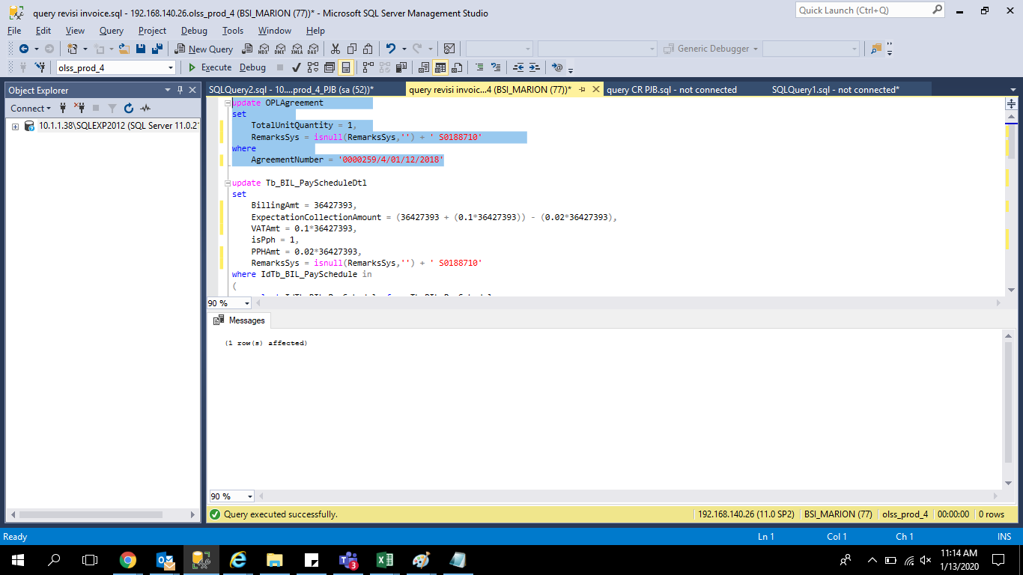
update OPLAgreement
set
 | TotalUnitQuantity = 1
 | RemarksSys = isnull(RemarksSys,'') + ' S0188710'
where
 | AgreementNumber = '0000259/4/01/12/2018'

update Tb_BIL_PayScheduleDtl
set
 | BillingAmt = 36427393,
 | ExpectationCollectionAmount = (36427393 + (0.1*36427393)) - (0.02*36427393),
 | VATAmt = 0.1*36427393,
 | isPph = 1,
 | PPHAmt = 0.02*36427393,
 | RemarksSys = isnull(RemarksSys,'') + ' S0188710'
where IdTb_BIL_PaySchedule in
(
 | select IdTb_BIL_PaySchedule from Tb_BIL_PaySchedule
 | where IdOPLAgreement in
 | (
 |  | select IdOPLAgreement from OPLAgreement
 |  | where AgreementNumber in
 |  | (
 |  |  | '0000259/4/01/12/2018'
 |  | )
 | )
) and EndPeriod >= '2020-01-12 00:00:00.000' and IdTb_BIL_PayScheduleDtl = '83657'

screenshoot
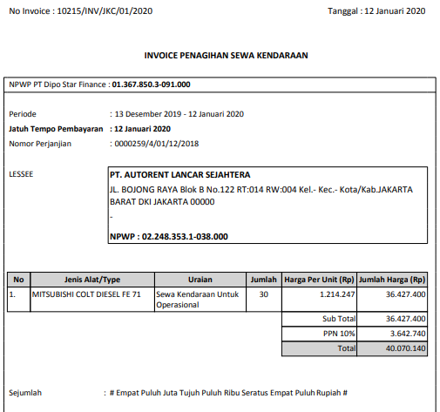
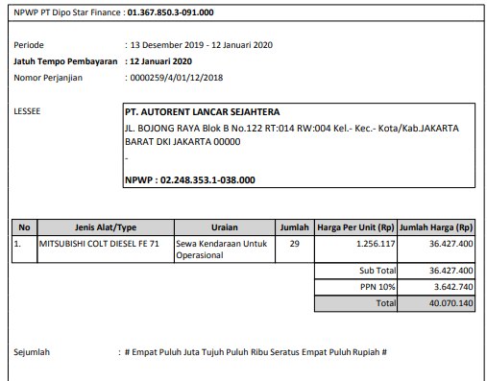
BEFORE | AFTER

